Sheet1
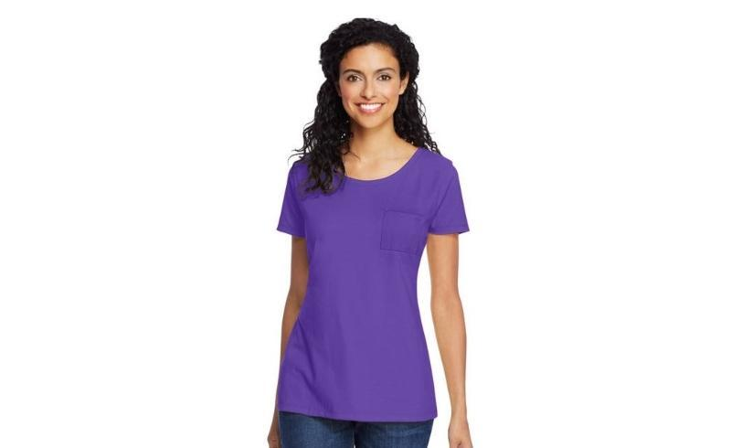
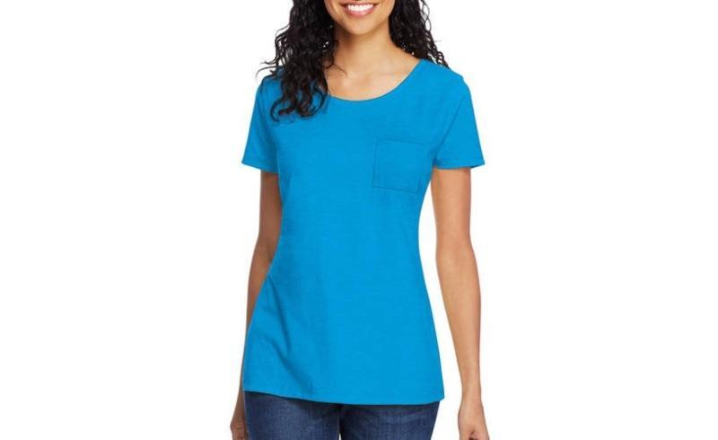
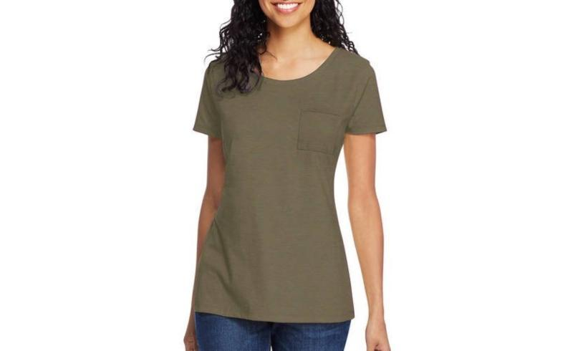
Hanes ComfortSoft Womens Short Sleeve Pocket Tee Shirts

Make | Model | Description | Color | MSRP | Total MSRP | Units per Carton | SIZE |  |  |  |  | Total Quantity
 |  |  |  |  |  |  | S | M | L | XL | 2X
HANES | M254 | Hanes ComfortSoft Women's Short Sleeve Pocket Tee Shirt | INTENSE AQUA | $11.00 | $316,008.00 | 12 | 1 | 2 | 3 | 4 | 2 | 28,728
HANES | M254 | Hanes ComfortSoft Women's Short Sleeve Pocket Tee Shirt | CAMOUFLAGE GREEN HTR | $11.00 | $281,028.00 | 12 | 1 | 2 | 3 | 4 | 2 | 25,548
HANES | M254 | Hanes ComfortSoft Women's Short Sleeve Pocket Tee Shirt | NEW BRIGHT PLUM | $11.00 | $628,980.00 | 12 | 1 | 2 | 3 | 4 | 2 | 57,180
 |  |  |  |  | $1,226,016.00 |  |  |  |  |  |  | 111,456

